Sheet1
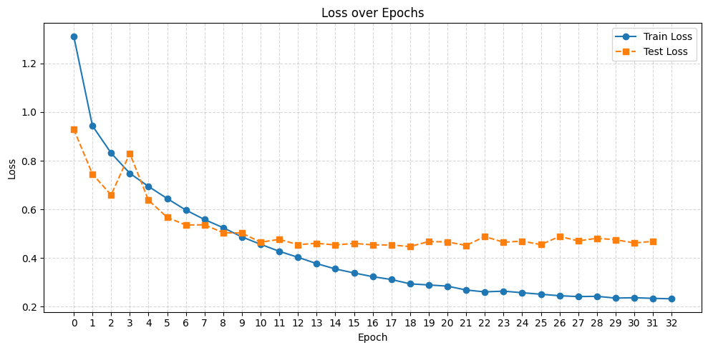
Model Changes | Training Accuracy | Testing Accuracy | Training Loss | Testing Loss | Time | Remarks |  | Graphs and Confusion matrix of original Model
Original Model: Architecture: 2 conv layers (128, kernel=5) --> maxpool(2),25%dropout --> 2 conv layers(256, kernel=3) -->maxpool(2),25%dropout --> 2 Fully connected layer(1024 -->512) each with 50% dropout Other HyperParameters: Batch Normalisation, Adam Optimiser(learning rate=0.001, weight decay = 1e-4), CrossentropyLoss, ReLU activation Other: Epochs: 10, Dataset: Train=5000, Test=1000, Classes=10 | 81.92 | 83.08 | 0.522 | 0.496 | 439 | Training Acc rises smoothly, Test Acc is a little jagged, maybe due to less data | 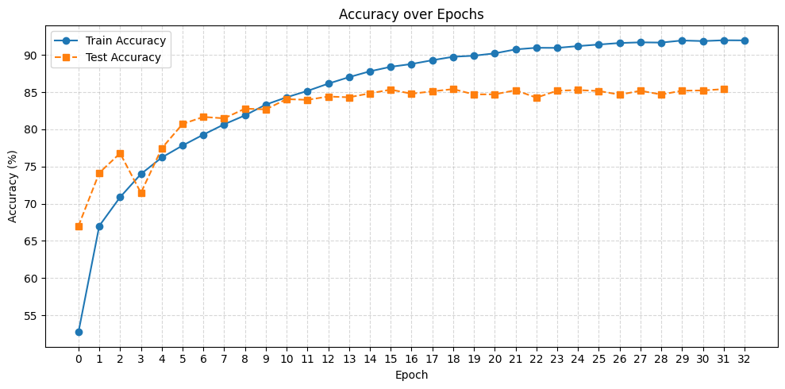
ReLU to TanH | 71.82 | 72.17 | 0.807 | 0.789 | 442 | Lower accuracy, ReLU is better. Shape of graph is similar
No Batch Normalisation | 62 | 65.77 | 1.083 | 0.983 | 438 | Significantly lowers accuracy
No Dropouts | 93.72 | 81.03 | 0.179 | 0.651 | 440 | Testing graph is jagged, and model starts to overfit. May tweak dropouts to inc acc
AvgPool instead of MaxPool | 80.36 | 82.11 | 0.575 | 0.526 | 441 | Slightly worse results, but overall no significant change
SGD with lr=0.001, momentum=0, wd= 1e-4 | 57.94 | 62.26 | 1.182 | 1.047 | 407 | Faster, but much worse results
SGD with lr=0.01, momnetum=0.9, wd=5e-4 | 83.78 | 82.08 | 0.468 | 0.533 | 414 | Faster, and almost similar results, but overfits earlier, so adam better
Adam, lr=0.005 | 69.66 | 75.3 | 0.886 | 0.73 | 441 | Lower accuracy
Adam, lr=0.003 | 75.03 | 75.97 | 0.735 | 0.697 | 445 | Lower accuracy still
Adam, lr=0.0007 | 83.17 | 83.06 | 0.484 | 0.504 | 439 | Similar test accuracy, but training accuracy is higher, lr=0.001 may be best
Adam, weight decay = 5e-4 (increased) | 76.98 | 78.36 | 0.676 | 0.645 | 446 | worse results, but not much differencnce in train/test ratio
Adam, weight decay = 5e-5 (decreased) | 84.13 | 83.03 | 0.462 | 0.496 | 440 | Closer to original, but model starts to overfit due low weight decay,wd= 1e-4 may be best
Kernel size of first 2 conv layers changed form 5 to 3 | 83.02 | 82.92 | 0.495 | 0.495 | 439 | Similar results, but overfitting seems more likely
Original Model with 32 epochs instead of 10 | 91.98 | 85.41 | 0.234 | 0.4685 |  | Train and test accuracy slows significantly at 11th epoch and caps at around 15-20th epoch
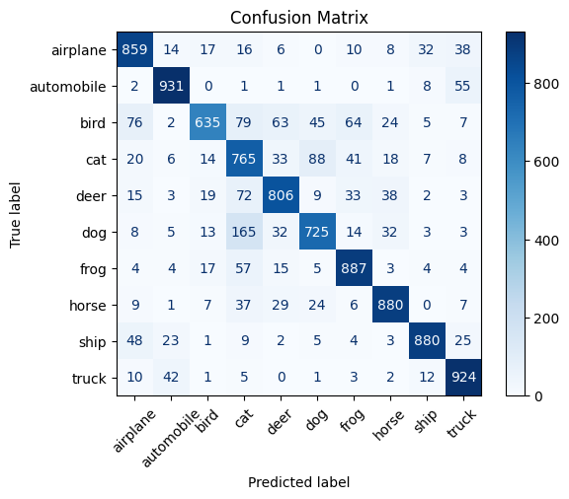
...At 10th epoch | 83.33 | 82.69 | 0.487 | 0.503 |  | Upon retrospect, changes learning rate, weight decay and kernel size are insignificant
1 conv layer instead of 2 before each pooling | 76.41 | 76.35 | 0.68 | 0.68 |  | lowers accuracy significantly
added 2 more conv layers(512) as well as one pooling layer (2) in original model | 83.57 | 83.43 | 0.485 | 0.478 |  | Does incresae testing accuracy while not overfitting
….At 15th epcoh | 88 | 86.1 | 0.354 | 0.421 |  | Better than original model

Using 20 epochs going forward

Pretrained ResNet18 model | 87.39 | 83.12 | 0.353 | 0.497 | 2155 | Similar results as custom built model
Same model as 18th row (3 conv blocks, 2 layers each, 3 pooling layers) | 90.31 | 85.52 | 0.281 | 0.444 | 976
Kernel size changed from (5->3->3) to (7->5->3) | 88.81 | 85.03 | 0.335 | 0.451 | 1997 | original kernel sizes were better
dropouts in conv layer increased from 25% to 50% | 81.66 | 83.87 | 0.5344 | 0.474 | 985 | Overfitting decreased, but accuracy also dropped a little
dropouts in conv layer increased from 25% to 33% | 87.99 | 86.17 | 0.354 | 0.421

